ChanceCalc steps
Any version of ChanceCalc can load the associated SIP Library into this model, including the free one.
See the Getting Started with ChanceCalc pdf file if you are new to ChanceCalc.
Steps
1 | Start on the Profit tab of this model.
2 | Right Click on the link to the Energy Projects and Prices library and "Copy Link Address" at the page where you downloaded this model.
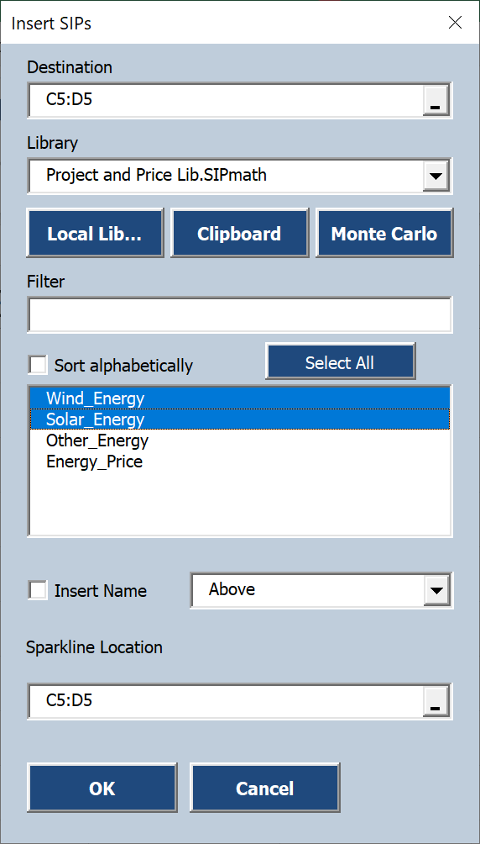
3 | Select C5:D5
 | Click SIP Input | 4 | Select C6 and D6 and repeat Step 3
 | Command and then |  | while selecting only Energy Price
 | Clipboard.
 | Select Wind Energy | 5 | To find Average Profit Select Blank Cells C10:D10 and Click Avg Command.
 | and Solar Energy |  | Select cells CD:D9 and Click OK.
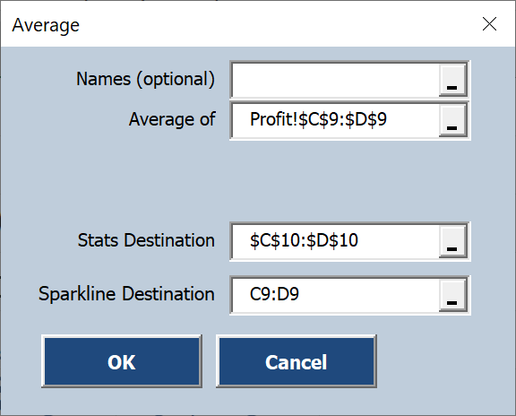
 | Click OK.

 |  | 6 | To get identical results to the Video, go to ChanceCalc Setting and specify 10,000 Trials.

